ZKTECO_EAS Products
Type | Model | Device Photo | Specifications | Price | Last Price Update Date | SRP (End-User) |  | DEALER's PRICE |  | CONTRACTOR's PRICE
 |  |  |  |  |  | Small Volume (50% Mark-Up) | Big Volume (30% Mark-Up) | Small Volume (30% Mark-Up) | Big Volume (20% Mark-Up) | Small Volume (15% Mark-Up) | Big Volume (10% Mark-Up)
RF Detector | EAS-506 | 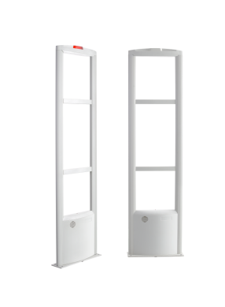 | Technology: RF Operating Voltage:AC(50~60hz)110~220V Rated Power:≤15W Center Frequncy:8.2Mhz Working Mode:TX+RX Detection range:0.9-2M(Depend on tag) Main Material:Aluminem Alloy Appearance Size:1580*380*30mm Packing Size:1630*440*210mm Packing Unit:2pcs/ctn Packing G.W.:15kgs/ctn | PHP 13,500.00 | 2022-06-01 | 20,250.00 | 17,550.00 | 17,550.00 | 16,200.00 | 15,525.00 | 14,850.00
RF Detector | EAS-510 | 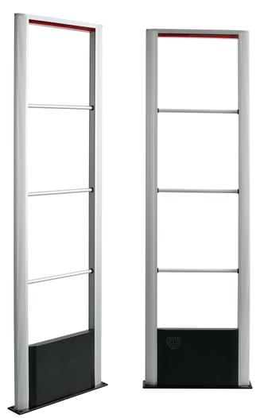 | Technology: RF Operating Voltage:AC(50~60hz)110~220V Rated Power:≤15W Center Frequncy:8.2Mhz Working Mode:TX+RX Detection range:0.9-2.4M(Depend on tag) Main Material:Aluminem Alloy Appearance Size:1520*440*40mm Packing Size:1630*520*190mm Packing Unit:2pcs/ctn Packing G.W.:15kgs/ctn | PHP 18,800.00 | 2022-06-01 | 28,200.00 | 24,440.00 | 24,440.00 | 22,560.00 | 21,620.00 | 20,680.00
AM Detector | EAS-AMT10 (Master+Vice) |  | Technology: AM Operating Voltage:AC(50~60hz)110~220V Rated Power:≤15W Color: White Center Frequncy :58Khz Working Mode:MONO Detection range:1-2.4M(Depend on tag) Material : ABS Dimension :1560*500*14mm Package Dimension:1630*600*240mm package :2pcs/ctn Package Weight : 22kg | PHP 45,500.00 | 2022-06-01 | 68,250.00 | 59,150.00 | 59,150.00 | 54,600.00 | 52,325.00 | 50,050.00
AM Detector | EAS-AMT10 (Master) | 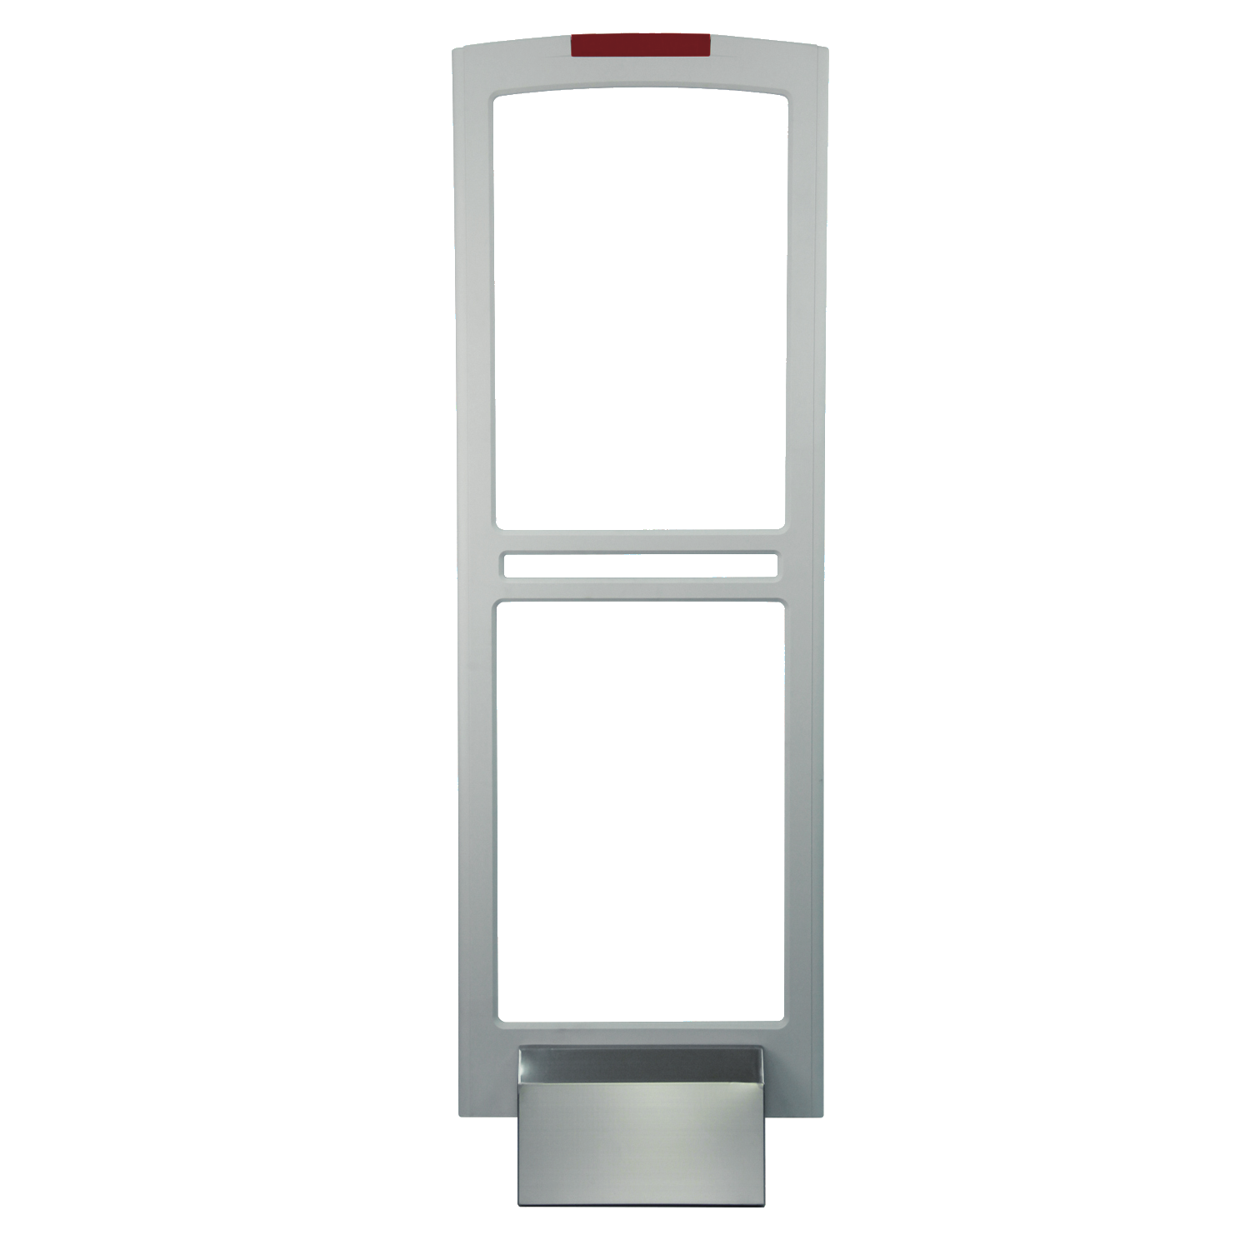 | Technology: AM Operating Voltage:AC(50~60hz)110~220V Rated Power:≤15W Color: White Center Frequncy :58Khz Working Mode:MONO Detection range:1-2.4M(Depend on tag) Material : ABS Dimension :1560*500*14mm Package Dimension:1630*600*240mm package :2pcs/ctn Package Weight : 22kg | PHP 31,200.00 | 2022-06-01 | 46,800.00 | 40,560.00 | 40,560.00 | 37,440.00 | 35,880.00 | 34,320.00
AM Detector | EAS-AMT10 (Vice) |  | Technology: AM Operating Voltage:AC(50~60hz)110~220V Rated Power:≤15W Color: White Center Frequncy :58Khz Working Mode:MONO Detection range:1-2.4M(Depend on tag) Material : ABS Dimension :1560*500*14mm Package Dimension:1630*600*240mm package :2pcs/ctn Package Weight : 22kg | PHP 14,000.00 | 2022-06-01 | 21,000.00 | 18,200.00 | 18,200.00 | 16,800.00 | 16,100.00 | 15,400.00
AM Detector | EAS-AMT10A (Master) |  | Technology : AM Operating Voltage:AC(50~60hz)110~220V Rated Power:≤15W Color: White Center Frequncy :58Khz Working Mode:MONO Detection range:1-2.4M(Depend on tag) Material : Acrylic Dimension :1550x390x20mm Package Dimension :1610*450*170mm package :1pcs/ctn Package Weight : 22kg/ctn | PHP 45,200.00 | 2022-06-01 | 67,800.00 | 58,760.00 | 58,760.00 | 54,240.00 | 51,980.00 | 49,720.00
AM Detector | EAS-AMT10A (Vice) |  | Technology : AM Operating Voltage:AC(50~60hz)110~220V Rated Power:≤15W Color: White Center Frequncy :58Khz Working Mode:MONO Detection range:1-2.4M(Depend on tag) Material : Acrylic Dimension :1550x390x20mm Package Dimension :1610*450*170mm package :1pcs/ctn Package Weight : 22kg/ctn | PHP 25,000.00 | 2022-06-01 | 37,500.00 | 32,500.00 | 32,500.00 | 30,000.00 | 28,750.00 | 27,500.00
RF Deactivator | EAS-769B |  | Color:Black Operating Voltage：AC(50~60hz)110~220V Material:ABS plastic+PCB board Type: RF Deactivator PAD Dimension:24.5X23.5CM Hole Dimension:21.5x20.5CM Packing :1pcs/box，10pcs/ctn Ctn Size:59X40X17CM G.W:9.5kgs/ctn Decoding height:5~20cm | PHP 4,500.00 | 2022-06-01 | 6,750.00 | 5,850.00 | 5,850.00 | 5,400.00 | 5,175.00 | 4,950.00
AM Deactivator | EAS-D886 | 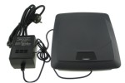 | Color:Grey Operating Voltage：AC(50~60hz)110~220V Material:ABS plastic+PCB board Type: AM Deactivator PAD Dimension:23X19.4 CM Hole Dimension:21x17CM Packing :1pcs/box，5pcs/ctn Ctn Size:74.5X34.5X21.5CM G.W:10.5kgs/ctn Decoding height:7~12cm | PHP 6,500.00 | 2022-06-01 | 9,750.00 | 8,450.00 | 8,450.00 | 7,800.00 | 7,475.00 | 7,150.00
Magnetic Detacher | EAS-D01 |  | Surface：Galvanization Dimension:Ø70.7*23MM Magnetic :≥4500GS Packing :100pcs/ctn Ctn Size:42*17*37cm G.W:18.1KGS/CTN | PHP 500.00 | 2022-06-01 | 750.00 | 650.00 | 650.00 | 600.00 | 575.00 | 550.00
Magnetic Detacher | EAS-D10N | 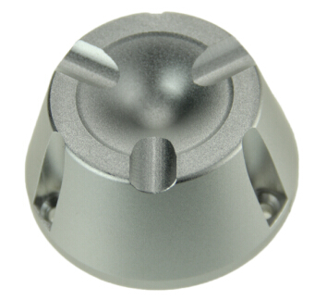 | Surface treatment：Oxidation Dimension:Ø74*37MM Magnetic:≥10000GS Packing :50pcs/ctn Ctn Size:40*17.5*30cm G.W:22.2KGS | PHP 1,300.00 | 2022-06-01 | 1,950.00 | 1,690.00 | 1,690.00 | 1,560.00 | 1,495.00 | 1,430.00
RF Soft Tag | EAS-L404 |  | RF Soft Tag Frequency：8.2Mhz Material:Paper+Glue+Aluminum foil Type: RF Tag Dimension:40X40MM Packing :1000pcs/roll,20rolls/ctn Ctn Size:47X32.5X17.5CM G.W:12.2kgs/ctn MOQ:1000 pcs | PHP 2.00 | 2022-06-01 | 3.00 | 2.60 | 2.60 | 2.40 | 2.30 | 2.20
RF Hard Tag | EAS-H01 |  | Samll square Frequency：8.2Mhz Material:ABS plastic+Coil Color:Black Type: RF Tag Dimension:48X42MM Packing :1000pcs/ctn Ctn Size:55x40x13CM G.W:9.8kgs/ctn MOQ:1000 pcs | PHP 10.00 | 2022-06-01 | 15.00 | 13.00 | 13.00 | 12.00 | 11.50 | 11.00
RF Hard Tag | EAS-H02 |  | Big square Frequency：8.2Mhz Material:ABS plastic+Coil Color:Black Type: RF Tag Dimension:68X55MM Packing :1000pcs/ctn Ctn Size:50X35X30 G.W:16.5kgs/ctn MOQ:1000 pcs | PHP 10.00 | 2022-06-01 | 15.00 | 13.00 | 13.00 | 12.00 | 11.50 | 11.00
RF Hard Tag | EAS-H22C |  | Bottle Tag Frequency：8.2Mhz Color:Black Type: RF Tag Dimension:Ø50MM Lanyard length :20CM Packing :500pcs/ctn Ctn Size:48X32X33CM G.W:12.5kgs/ctn MOQ:500 pcs | PHP 20.00 | 2022-06-01 | 30.00 | 26.00 | 26.00 | 24.00 | 23.00 | 22.00
RF Hard Tag | EAS-H23 |  | Milk Can Tag Frequency：8.2Mhz Color:Black/white/Grey or customize Type: RF Tag Dimension:Ø50MM Lanyard length :48CM Packing :500pcs/ctn Ctn Size:50X35X30CM G.W:16.5kgs/ctn MOQ:500 pcs | PHP 30.00 | 2022-06-01 | 45.00 | 39.00 | 39.00 | 36.00 | 34.50 | 33.00
RF Hard Tag | EAS-H14A |  | Tag with lanyard use for bag ,belt... Frequency：8.2Mhz Material:ABS plastic+Magnets Stick Color:white Type: RF Tag Dimension:43X13MM Lanyard length :10CM Packing :1000pcs/ctn Ctn Size:40X30X24CM G.W:9.5kgs/ctn MOQ:1000 pcs | PHP 15.00 | 2022-06-01 | 22.50 | 19.50 | 19.50 | 18.00 | 17.25 | 16.50
RF Hard Tag | EAS-301 | 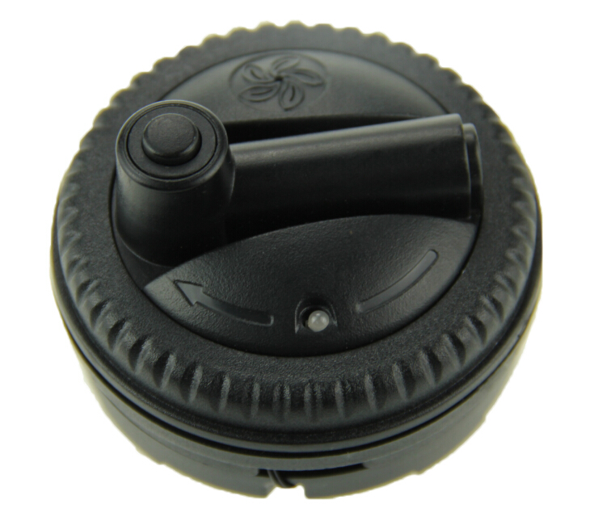 | Spider Tag Frequency：8.2Mhz Color:Black Dimension:Ø73mm Type: RF Tag Length of Lanyard :80cm Noise level：95dB Battery durability：>3 years Packing :100pcs/ctn Ctn Size:60X42X18.5cm G.W:12kgs/ctn MOQ:100 pcs | PHP 350.00 | 2022-06-01 | 525.00 | 455.00 | 455.00 | 420.00 | 402.50 | 385.00
AM Soft Tag | EAS-CDR |  | AM Soft Tag Frequency:58Khz Color:White Material:PVC+Chip Type: AM Tag Dimension:45X11MM Packing:5000pcs/box,4boxs/ctn Ctn Size:54X30X23CM G.W:13kgs/ctn MOQ:5000 pcs | PHP 2.00 | 2022-06-01 | 3.00 | 2.60 | 2.60 | 2.40 | 2.30 | 2.20
AM Hard Tag | EAS-H30 | 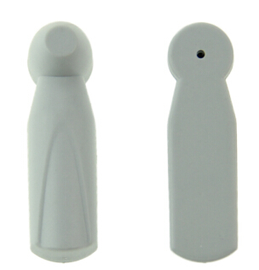 | Small Pencil Frequency:58Khz Color:White Material:ABS+Magnetic bar Type: AM Tag Dimension:46X13MM Packing:1000pcs/ctn Ctn Size:40X30X13CM G.W:8kgs/ctn MOQ:1000 pcs | PHP 10.00 | 2022-06-01 | 15.00 | 13.00 | 13.00 | 12.00 | 11.50 | 11.00
AM Hard Tag | EAS-H32C |  | Big Flat Pencil Frequency:58Khz Color:White Material:ABS+Magnetic bar Type: AM Tag Dimension:73X16mm Packing:1000pcs/ctn Ctn Size:45X30X20CM G.W:15kgs/ctn MOQ:1000 pcs | PHP 10.00 | 2022-06-01 | 15.00 | 13.00 | 13.00 | 12.00 | 11.50 | 11.00
AM Hard Tag | EAS-H14A |  | Tag with lanyard use for bag ,belt... Frequency：58Khz Material:ABS plastic+Magnets Stick Color:white Type: AM Tag Dimension:43X13MM Lanyard length :10CM Packing :1000pcs/ctn Ctn Size:40X30X24CM G.W:9.5kgs/ctn MOQ:1000 pcs | PHP 15.00 | 2022-06-01 | 22.50 | 19.50 | 19.50 | 18.00 | 17.25 | 16.50
AM Hard Tag | EAS-301 |  | Spider Tag Frequency：58Khz Color:Black Dimension:Ø73mm Type: AM Tag Length of Lanyard :80cm Noise level：95dB Battery durability：>3 years Packing :100pcs/ctn Ctn Size:60X42X18.5cm G.W:12kgs/ctn MOQ:100 pcs | PHP 350.00 | 2022-06-01 | 525.00 | 455.00 | 455.00 | 420.00 | 402.50 | 385.00

